Tracts
40 | 40 | 40 | 40
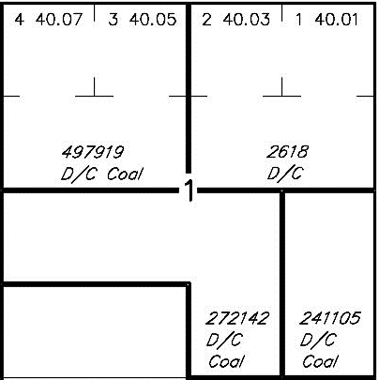

40 | 40 | 40 | 40

40 | 40 | 40 | 40

40 | 40 | 40 | 40

